Sheet1
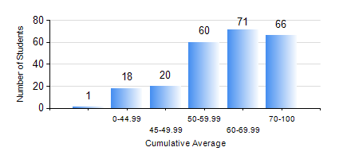
 |  |  | KWAME NKRUMAH UNIVERSITY OF SCIENCE AND TECHNOLOGY, KUMASI Department of Electrical/Electronic Engineering

 |  |  | BSC. ELECTRICAL/ELECTRONIC ENG.

 |  |  | COMPREHENSIVE RECORD OF EXAMINATION RESULTS

 |  |  | RESULTS OF YEAR 3 FIRST SEMESTER, 2024/2025 ACADEMIC YEAR

 | Sn | Course Code |  | Course Name | Credit Hours | Min. Mark | Max. Mark | Avg. Mark | Std. Dev. | No. Passed | No. Trailed | No. (Df) | No. (I) | No. (I*) | No. Tagged(I,I*,Df) | Total
 | 0. |  |  |  |  |  |  | 0 | 0 | 0 | 0 | 0 | 0 | 0 | 0 | 13
 | 1. | COE 381 |  | MICROPROCESSORS | 3 | 44 | 85 | 66 | 9.1 | 222 | 0 | 0 | 1 | 0 | 1 | 223
 | 2. | EE 365 |  | ELECTRICAL SERVICES DESIGN | 2 | 24 | 88 | 66 | 12.04 | 218 | 4 | 0 | 1 | 0 | 1 | 223
 | 3. | EE 367 |  | POWER GENERATION AND SUPPLY | 3 | 4 | 91 | 53 | 17.61 | 188 | 35 | 0 | 0 | 0 | 0 | 223
 | 4. | EE 371 |  | LINEAR ELECTRONIC CIRCUITS | 3 | 5 | 86 | 50 | 17.47 | 183 | 39 | 0 | 1 | 0 | 1 | 223
 | 5. | EE 387 |  | CLASSICAL CONTROL SYSTEMS | 3 | 1 | 88 | 54 | 19.08 | 174 | 48 | 0 | 1 | 0 | 1 | 223
 | 6. | MATH 351 |  | NUMERICAL ANALYSIS | 2 | 43 | 88 | 67 | 9.61 | 223 | 0 | 0 | 0 | 0 | 0 | 223
 | 7. | STAT 253 |  | PROBABILITY AND STATISTICS | 2 | 18 | 98 | 72 | 14.97 | 218 | 4 | 0 | 1 | 0 | 1 | 223
 | 8. | TE 271 |  | ANALOG COMMUNICATION SYSTEMS | 2 | 7 | 99 | 59 | 16.62 | 222 | 1 | 0 | 0 | 0 | 0 | 223

